How it works
How does the multimetric chart work?
This chart gives you a way to compare two or more items (in this case countries) across lots of different metrics. Each metric occupies a horzontal strip. Each value for that metric is shown as a dot. The horizontal position of a dot represents its value. The lowest value in the data is the most left dot, the highest is the most right, and all the other values are spaced proportionally along the strip. The spacing shows us the distribution of the values for that metric, giving us a quick way to see long tails or outliers. Linking a country's dots across the strips shows us that country's performance across the metrics. With a second line for another country we have a quick way to see the relative performance of each and quickly determine which is higher or lower in each metric. Data visualisation enthusiasts can think of this as a parallel metrics chart without the lines. I rotated it 90 degrees so I could add tabular data for the metrics and have more space for the labels. | 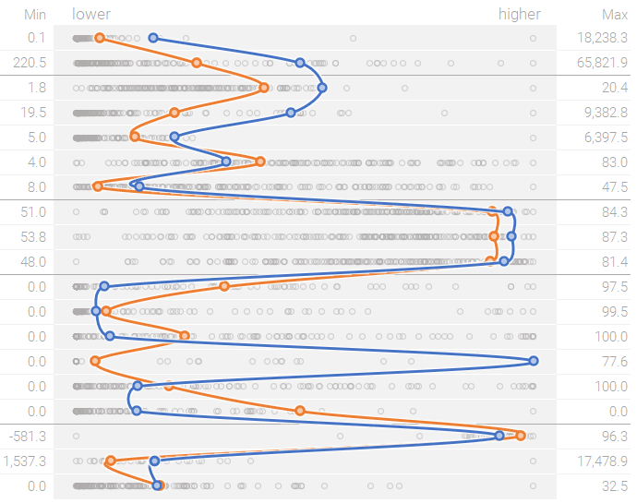

Making it | Scatter plot | Connected scatter plot
The chart is actually two charts; a scatter plot of all the data arranged in strips, and a connected scatter plot on top of that to show the country lines. Those charts are overlaid on a regular worksheet where we've arranged the metrics in rows in the order we want. We give both charts transparent plot areas so we can see everything when we layer them. |  | 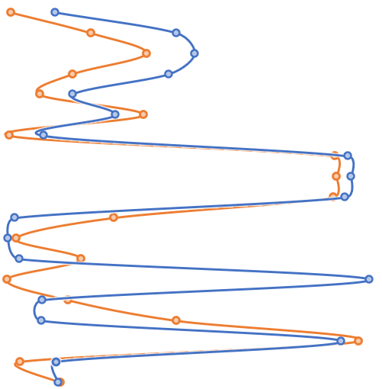
 | The report worksheet without the charts
What we're going to do: 1. Make the chart worksheet 2. Give each metric a Y axis value 3. Make a long version of the source data table 4. Scale every value in the long table 5. Add the Y axis values to the long table 6. Make a dropdown that lets us select a country 7. Get scaled values for the selected country 8. Make the scatter plot and add it to the chart sheet. 9. Make the connected scatter plot for the chosen country and add it to the chart sheet. Then (if we want): 10. Get actual values for the chosen country 11. Get min and max values for each metric

1. Make the chart worksheet Arrange your metrics, category labels etc. how you'd like them and create a space to drop the charts into. Make all the metrics rows the same height.
 | Add Y axis values to arrange the scatter plot into strips
2. Give each metric a Y axis value This will arrange our scatter plot dots into strips that correspond to the metrics in the chart worksheet. I've used a separate sheet called lines data. You could use the chart sheet and hide the 'workings' if you prefer. I use formulas to copy the metrics list from the chart sheet, so if I reorder the metrics the lines data information will reorder to match. Make the metric at the bottom of the table 0.5, the next one up 1.5 and so on. We use .5 so that when we put the scatter plot in the chart sheet and align it to the metrics rows the dots will sit in the middle of the row.
 | Wide format |  |  | Long format
3. Make the long data table To build the scatter plot in Excel your data should be in a 'long' format. In this example that means the metrics and values have one column each and the country names are repeated down the page. I've included the wide format source data table most people are used to. I used Power Query to unpivot that into a long format, selecting all the metrics columns in Power Query, clicking Unpivot Columns and then loading that table. |  |  |  |  | 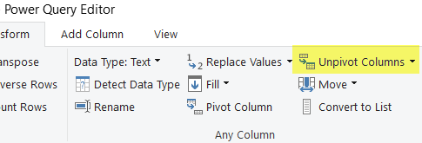
 | Adding the scaled values
4. Scale every value in the long table We scale the values so we can plot the different metrics all in the same chart. The formula in long data, column E does that for you. It compares the actual value to the other actual values for the same metric in the long data table, then gives the actual value a new value between 0 and 1 to show its position relative to the lowest (0) and highest (1) values for that metric.
 | Adding the Y axis values
5. Add the Y axis values to the long table Nice and simple; we use a vlookup in the long table to pull in the values we assigned to the metrics in lines data.
 | Making the dropdown that changes the country shown by the connected scatter plot
6. Make a country dropdown I've built this into the labels in the chart sheet but you could do it however you like. It's a simple data validation dropdown which reads the values in wide data, Country Name by referring to the table name and column. To do it this way that table must be an Excel table (Excel will have converted it to a table automatically if you used it as your source for the long table). | 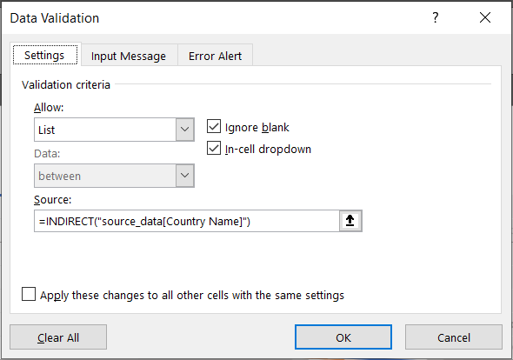
 | Get the selection | Get scaled values for the selection+metric combination
7. Get scaled values for the chosen country I do this on the lines data sheet but you can do it wherever you like. First I get the country name from the dropdown in the chart sheet. Then in lines data, column C I count whether that country has an entry for that metric in the long table. If there's no entry I want to leave a gap in the line. Column D either pulls the scaled value for the country and metric combination from the long table or shows NA() if column C is zero. So we get X axis values or gaps where we don't have one. TIP: You could make this all happen in one column. I made it two columns to make the 'workings' slightly easier to follow.
 | The long table scatter plot before visual tweaking
8. Make the scatter plot and add it to the chart sheet With scaled values and Y axis values added to the long table we simply plot those columns as a scatter plot. We need to adjust the chart before we can use it. Here's what I do: - make the X axis minimum -0.05 and maximum 1.05 - make the Y axis minimum 0 and maximum the number of metrics - remove the chart border, grid lines, axes and title - make the plot area transparent - make the dot markers partially transparent (to allow for overplotting) Then I move the chart to the chart sheet and align the plot area to the metrics rows. To align the plot area hold down ALT while dragging the plot area handles; ALT makes whatever you're moving 'snap to' the gridlines in your worksheet. You can see this demonstrated here; https://www.youtube.com/watch?v=GR0ety7r08I | 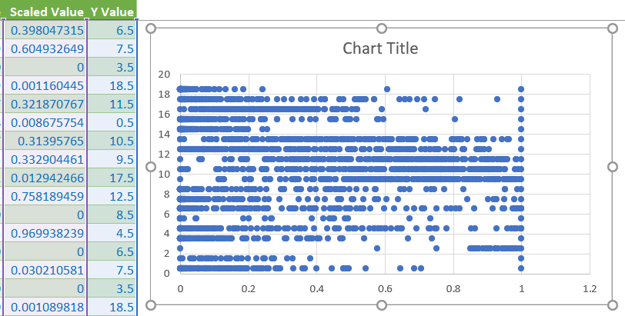
 | Insert a connected scatter plot |  | Use Select data… to pick up the Scaled value and Y value columns
9. Make the connected scatter plot for the chosen country and add it to the chart sheet Insert an empty connected scatter plot and use Select Data to pick up the Y value and Scaled value columns from lines data. Give it a series name, press Ok a couple of times and there's your connected scatter plot showing the selected country's data. Adjust the chart's aesthetics like we did with the scatter plot and move it to the chart sheet. Use the same X axis values; the curves need a little room to plot outside the chart. Now align the plot area to match the plot area of the scatter plot (using ALT again). TIP: You can just add the connected scatter plots to the original scatter plot. That'll automatically align the line plots with the scatter plots. I find that Excel can be difficult about which one it puts on top. And I want the line charts sitting above the scatter plot dots in the visual hierarchy, not the other way around. | 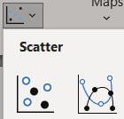 | 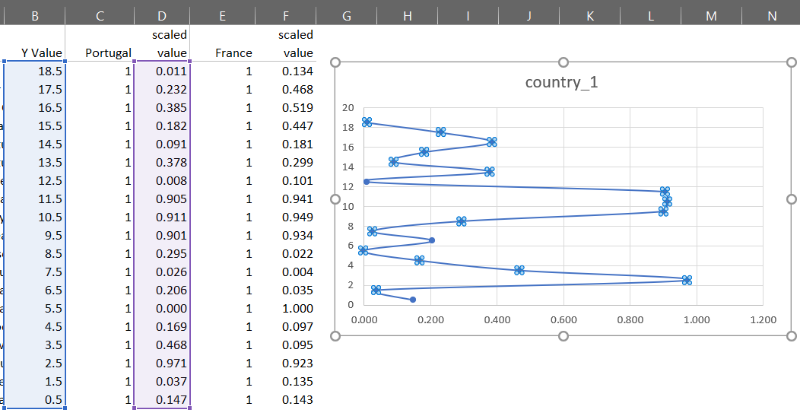
OPTIONAL | Actual values for selected countries
10. Get actual values for the chosen country Excel can't give us fancy pop ups like Tableau or PowerBI so I include the actual values I'm comparing in a table on the chart sheet. The values are pulled from the long table in a similar way to how we do it on the lines data sheet. | 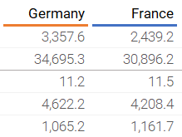
 | Minimum and maximum values help the viewer
11. Get min and max values for the chosen metric Plotting scaled values is great for squeezing lots of metrics in together. But say we had the annual temperatures plotted for different countries, with each year as a strip. The dots might show a similar distribution, when in fact some of the years might be hotter than others as a whole. Without the min and max value for each metric that wouldn't be obvious. That's why I add them. Plus it reinforces the point that these are metrics on sometimes vastly different scales. You don't have to add the min and max but I think they're helpful. | 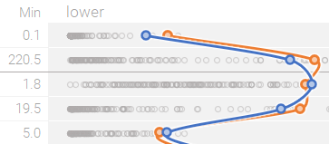 |  |  | 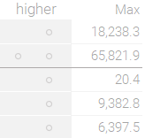

12. Get creative! At this point you can go wild and add conditional formatting, markers, other columns or all sorts of other things. An optional line showing the average through all the metrics is a nice touch and very easy to do (I usually add it to the lines data sheet like a third item).

chart
0.0010867474404 | 18.5
0.44564189283 | 16.5
0.37120884152 | 11.5
0.0059899879553 | 0.5
0.33125559201 | 10.5
0.41847939918 | 9.5
0.005072900064 | 17.5
0.67867449749 | 12.5
0.0042132098477 | 15.5
0.0064378150971 | 14.5
0.94151838306 | 13.5
0.00061958189455 | 18.5
0.16550533304 | 16.5
0.81188208171 | 11.5
0.053097168925 | 0.5
0.78547569341 | 10.5
0.84039974866 | 9.5
0.046522115277 | 17.5
0.10624778492 | 12.5
0.01852206616 | 15.5
0.012276355111 | 14.5
0.4972668169 | 13.5
0 | 8.5
1 | 4.5
0 | 6.5
0 | 7.5
0 | 3.5
0.0090958685229 | 18.5
0.27748249714 | 16.5
0.75366917075 | 11.5
0.11211932693 | 0.5
0.70193856248 | 10.5
0.80602016696 | 9.5
0.046821656228 | 17.5
0.44253455521 | 12.5
0.029059811009 | 15.5
0.012675816485 | 14.5
0.32291249285 | 13.5
0 | 8.5
0.0021076194075 | 4.5
0.98357510393 | 6.5
0.013263395004 | 7.5
0.0017101995508 | 3.5
0.00014821028816 | 18.5
0.23736124513 | 16.5
0.18463723064 | 0.5
0.23782100641 | 15.5
0.10819056283 | 14.5
0.34188599861 | 13.5
0.0063661316397 | 18.5
...
 | country_1 |  | country_2
0.184 | 18.5 | 0.134 | 18.5
0.526 | 17.5 | 0.468 | 17.5
0.503 | 16.5 | 0.519 | 16.5
0.492 | 15.5 | 0.447 | 15.5
0.166 | 14.5 | 0.181 | 14.5
0.241 | 13.5 | 0.299 | 13.5
0.025 | 12.5 | 0.101 | 12.5
0.891 | 11.5 | 0.941 | 11.5
0.875 | 10.5 | 0.949 | 10.5
0.907 | 9.5 | 0.934 | 9.5
0.454 | 8.5 | 0.022 | 8.5
0.010 | 7.5 | 0.004 | 7.5
0.098 | 6.5 | 0.035 | 6.5
0.184 | 5.5 | 1.000 | 5.5
0.030 | 4.5 | 0.097 | 4.5
0.401 | 3.5 | 0.095 | 3.5
0.948 | 2.5 | 0.923 | 2.5
0.143 | 1.5 | 0.135 | 1.5
0.279 | 0.5 | 0.143 | 0.5
WORLD DATA: COUNTRY COMPARISON
Select countries to compare |  | Germany | France | Min | lower | higher | Max
ECONOMY | GDP (current US$) | 3,357.6 | 2,439.2 | 0.1 |  |  | 18,238.3
 | Adjusted net national income per capita (current US$) | 34,695.3 | 30,896.2 | 220.5 |  |  | 65,821.9
HEALTH | Current health expenditure (% of GDP) | 11.2 | 11.5 | 1.8 |  |  | 20.4
 | Current health expenditure per capita (current US$) | 4,622.2 | 4,208.4 | 19.5 |  |  | 9,382.8
 | Domestic private health expenditure per capita (current US$) | 1,065.2 | 1,161.7 | 5.0 |  |  | 6,397.5
 | Domestic private health expenditure (% of current health expenditure) | 23.0 | 27.6 | 4.0 |  |  | 83.0
 | Birth rate, crude (per 1,000 people) | 9.0 | 12.0 | 8.0 |  |  | 47.5
LIFE EXPECTANCY | Life expectancy at birth, total (years) | 80.6 | 82.3 | 51.0 |  |  | 84.3
 | Life expectancy at birth, female (years) | 83.1 | 85.6 | 53.8 |  |  | 87.3
 | Life expectancy at birth, male (years) | 78.3 | 79.2 | 48.0 |  |  | 81.4
ELECTRICITY | Electricity production from coal sources (% of total) | 44.3 | 2.2 | 0.0 |  |  | 97.5
 | Electricity production from oil sources (% of total) | 1.0 | 0.4 | 0.0 |  |  | 99.5
 | Electricity production from natural gas sources (% of total) | 9.8 | 3.5 | 0.0 |  |  | 100.0
 | Electricity production from nuclear sources (% of total) | 14.3 | 77.6 | 0.0 |  |  | 77.6
 | Electricity production from hydroelectric sources (% of total) | 3.0 | 9.7 | 0.0 |  |  | 100.0
 | Electricity production from renewable sources, excluding hydroelectric (% of total) | 26.3 | 6.2 | 0.0 |  |  | 65.4
ENERGY | Energy imports, net (% of energy use) | 61.4 | 44.1 | -581.3 |  |  | 96.3
 | Energy use (kg of oil equivalent per capita) | 3,817.5 | 3,692.0 | 1,537.3 |  |  | 17,478.9
 | CO2 emissions (metric tons per capita) | 9.1 | 4.7 | 0.0 |  |  | 32.5

 | 2015 data sourced from The World Bank

